BugReport
Bug ID | BUG_01
Summary: | [Sign Up] [Registration] User cannot see Sign Up/Register button on page
Description: | When User goes to home page and wants to Sign Up or Register, Sign Up/Registration button are not visible on the page. Instead there is a "START MY FREE TRIAL" button

Steps to reproduce:
1 | Open Chrome browser
2 | Go to URL: https://www.humanity.com/
3 | Observe the page
4 | Check if there are fields and/or buttons with names "Sign Up" or "Register"
Expected result: | User can easily spot fields and button necessary for Sign Up/Register process
Actual result: | User cannot see any field ot button indicating to be intended for Sign Up process. There is "START MY FREE TRIAL BUTYON" which clicking on can enable User to go further to next page
Priority: | Medium
Severity: | Medium
Repro rate: | 100%
Environment: | Production
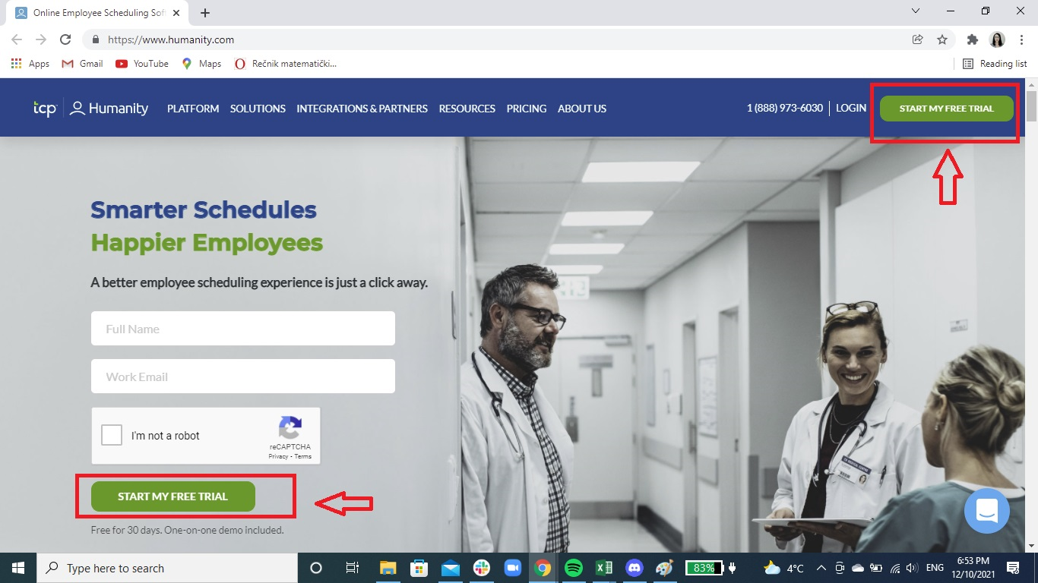
Screenshot:

